Item Definition
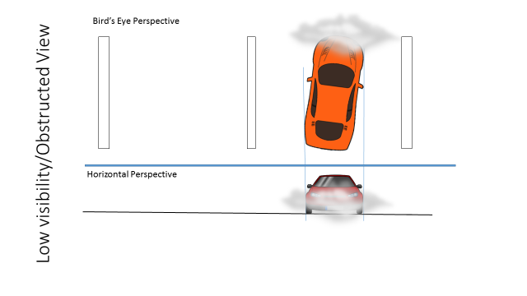
Scenario 1 | E4 |  | Scenario 2 | E4 |  |  |  | Scenario 3 | E3 |  | Scenario 4 | E3
Driving on a highway |  |  | Driving on a highway |  |  |  |  | Driving on a highway |  |  | Driving on a highway
Vehicle speed >50 kph |  |  | Vehicle speed >50 kph |  |  |  |  | Vehicle speed >50 kph |  |  | Vehicle speed >50 kph
On a straight road (R>1000 m) |  |  | On a straight road (1000>R>250 m) |  |  |  |  | On a straight road (R>1000 m) |  |  | On a straight road (1000>R>250 m)
Sunny weather |  |  | Sunny weather |  |  |  |  | Rainy/snowy weather |  |  | Rainy/snowy weather
Dry road conditions |  |  | Dry road conditions |  |  |  |  | Wet/slippery road conditions |  |  | Wet/slippery road conditions
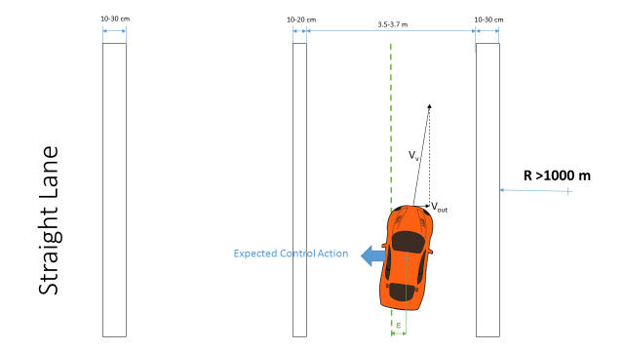
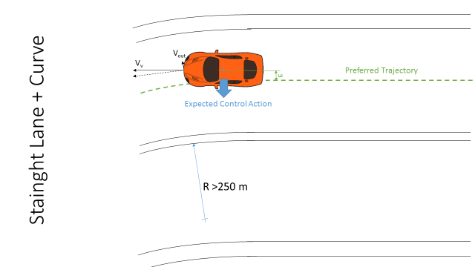

Scenario 5 | E4 |  | Scenario 6 | E3 |  |  |  | Scenario 7 | E4 |  | Scenario 8 | E2
Driving on a highway |  | Overtaking | Driving on a highway |  | Overtaking |  |  | Driving on a highway |  | Time gap 0.5 s | Driving on a highway
Vehicle speed >50 kph |  |  | Vehicle speed >50 kph |  |  |  |  | Vehicle speed >50 kph |  |  | Vehicle speed >50 kph
On a straight road (1000>R>250 m) |  |  | On a straight road (1000>R>250 m) |  |  |  |  | On a straight road (1000>R>250 m) |  |  | On a straight road (1000>R>250 m)
Sunny weather |  |  | Rainy/snowy weather |  |  |  |  | All weather conditions |  |  | Engine off
Dry road conditions |  |  | Wet/slippery road conditions |  |  |  |  | Dry road conditions |  |  | All road conditions |  | All weather conditions
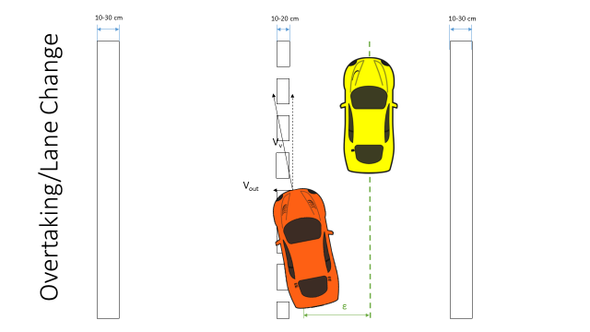
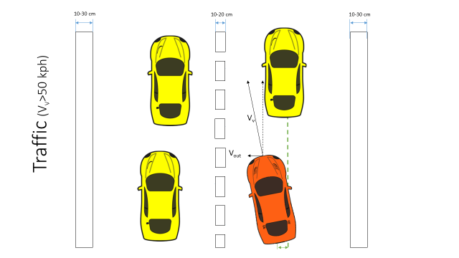
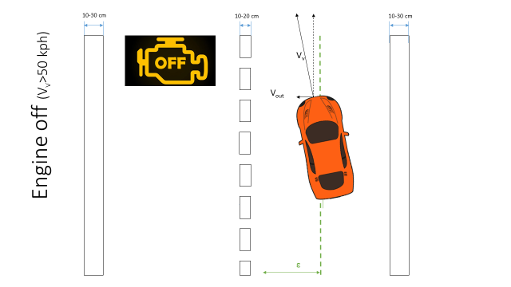

Scenario 9 | E3 |  |  |  |  | Scenario 10 | E3 |  |  |  |  |  |  | Scenario 11 | E4
Driving on a highway |  |  |  |  |  | Driving on a highway |  |  |  |  |  |  |  | Driving on a highway
Vehicle speed >50 kph |  |  |  |  |  | Vehicle speed >50 kph |  |  |  |  |  |  |  | Vehicle speed <50 kph
On a straight road (1000>R>250 m) |  |  |  |  |  | On a straight road (1000>R>250 m) |  |  |  |  |  |  |  | On a straight road (1000>R>250 m)
All weather conditions |  |  |  |  |  | Low visibility conditions |  |  |  |  |  |  |  | Good visibility conditions
Poor road conditions |  |  |  |  |  | All road conditions |  | All weather conditions |  |  |  |  |  | All road conditions |  | All weather conditions
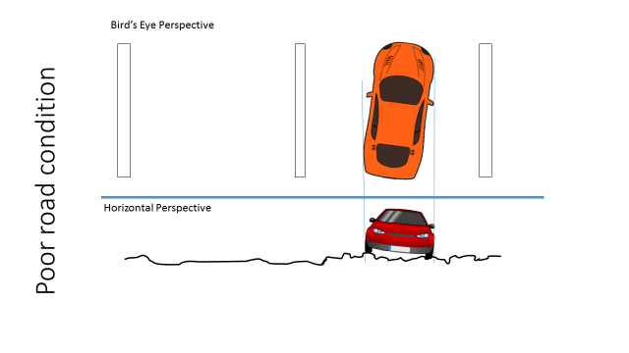
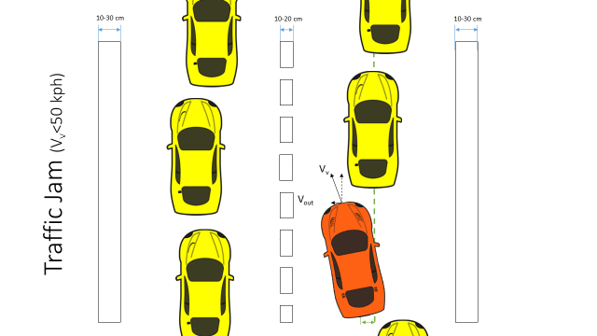
 |  |  |  |  |  |  |  |  |  |  |  |  |  | In a traffic Jam

HARA
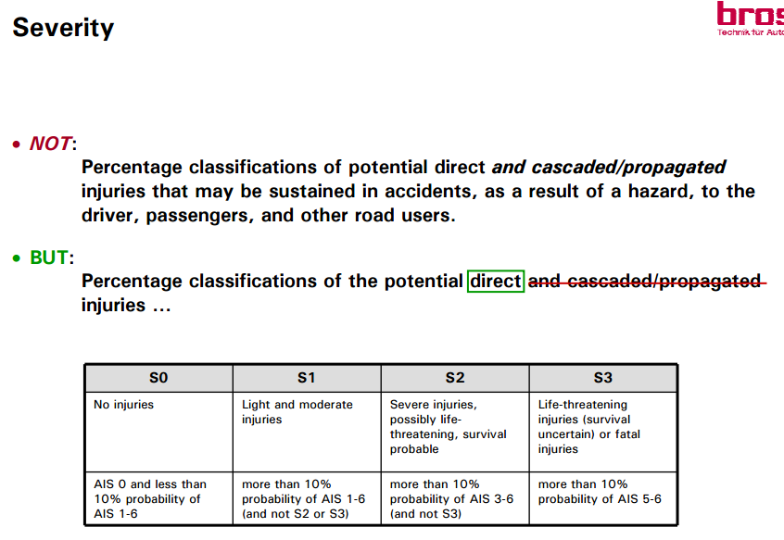
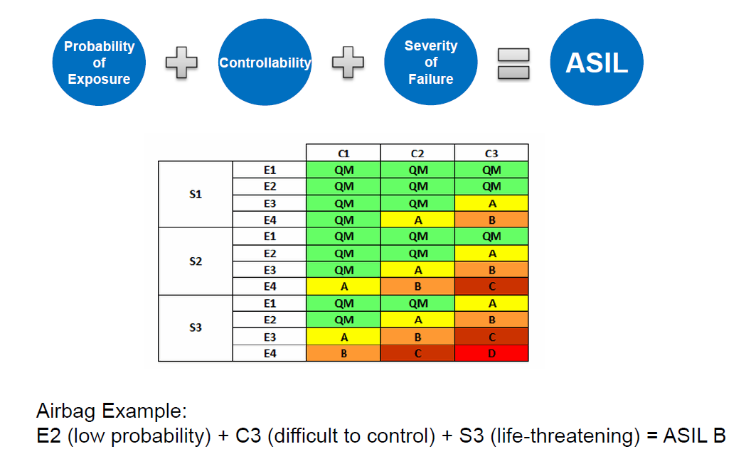
Hazard Analysis and Risk Assessment
Sr. No | Function |  | Hazard | Driving and Operating Situation |  |  | Effect of failure | Severity | Justification - S | Probability | Justification - E | Controllability | Justification - C | Resulting ASIL | Safety Goal | Safe state
 |  |  |  | Scenario | Weather | Road layout and condition |  | 0-3 |  | 0-4 |  | 0-3

 | LKA
 |  | Activate LKA | No activation when activation is intended | Scenario 1 |  |  | Lateral collision | 3 | V > 50 kph | 4 | Highway | 1 |  | B | The system shall ensure the activation of the ALK when all the conditions for activation are satisfied | LKA Active
 |  |  |  | Scenario 2 |  |  | Lateral collision | 3 | V > 50 kph | 4 | Highway | 2 |  | C
 |  |  |  | Scenario 3 |  |  | Lateral collision | 3 | V > 50 kph | 3 | Highway + Rain | 2 |  | B
 |  |  |  | Scenario 4 |  |  | Lateral collision | 3 | V > 50 kph | 3 | Highway + Rain | 3 |  | C
 |  |  |  | Scenario 7 |  |  | Lateral collision | 3 | V > 50 kph | 4 | Highway + Traffic | 2 |  | C

 |  |  | Unwanted activation | Scenario 5 |  |  | Rear-End Collision | 3 | V > 50 kph | 4 | Overtaking in Highway | 2 |  | C | The system shall prevent the unwanted activation of the ALK when driving | LKA Inactive
 |  |  |  | Scenario 6 |  |  | Rear-End Collision | 3 | V > 50 kph | 3 | Overtaking in Highway | 3 |  | C |  | LKA Inactive
 |  |  | Delayed Activation (0.5 secs) | Scenario 1,2,3,4,7 |  |  | Same cases as No activation | 3 | V > 50 kph | 4 | Highway | 2 |  | C | The system shall ensure that the lag after the activation command is smaller than 0.5s | LKA Active

Sheet1
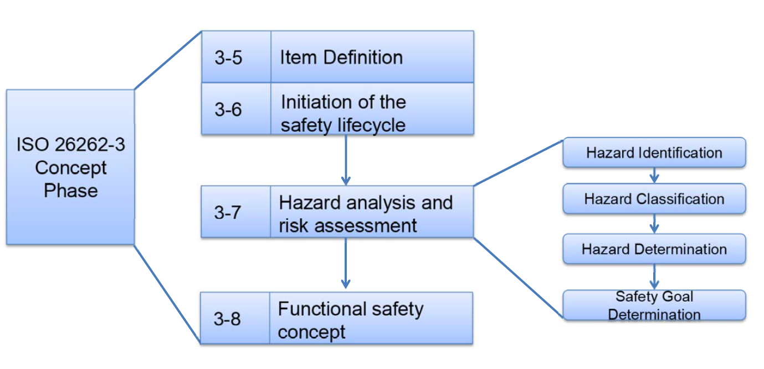
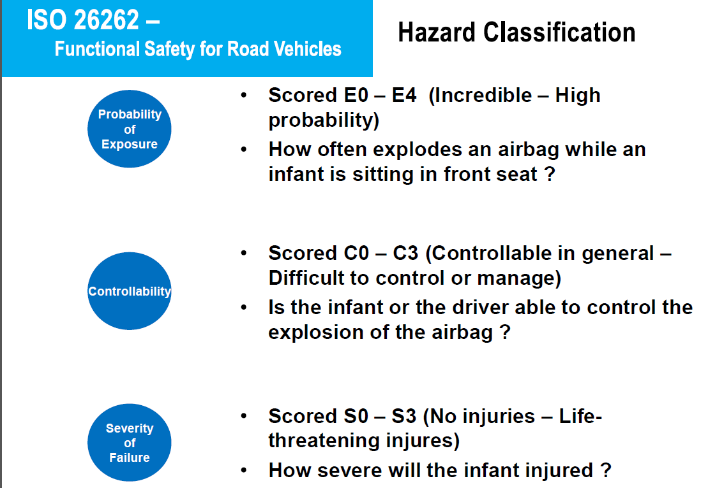
ISO 26262 - Functional safety for road vehicles : Hazard Analysis and Risk Assessment

